Sheet1
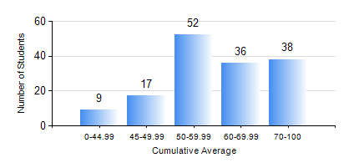
 |  |  | KWAME NKRUMAH UNIVERSITY OF SCIENCE AND TECHNOLOGY, KUMASI Department of Chemical Engineering

 |  |  | BSC. CHEMICAL ENG.

 |  |  | COMPREHENSIVE RECORD OF EXAMINATION RESULTS

 |  |  | RESULTS OF YEAR 1 SECOND SEMESTER, 2024/2025 ACADEMIC YEAR

 | Sn | Course Code |  | Course Name | Credit Hours | Min. Mark | Max. Mark | Avg. Mark | Std. Dev. | No. Passed | No. Trailed | No. (Df) | No. (I) | No. (I*) | No. Tagged(I,I*,Df) | Total
 | 1. | CHE 156 |  | PHYSICAL CHEMISTRY FOR ENGINEERS | 2 | 0 | 97 | 64 | 19.97 | 136 | 16 | 0 | 0 | 0 | 0 | 152
 | 2. | CHE 158 |  | INTRODUCTION TO INFORMATION TECHNOLOGY | 2 | 0 | 80 | 63 | 9.4 | 151 | 1 | 0 | 0 | 0 | 0 | 152
 | 3. | EE 152 |  | BASIC ELECTRONICS | 2 | 0 | 88 | 59 | 15.48 | 135 | 17 | 0 | 0 | 0 | 0 | 152
 | 4. | ENGL 158 |  | COMMUNICATION SKILLS II | 2 | 0 | 81 | 61 | 10.07 | 149 | 3 | 0 | 0 | 0 | 0 | 152
 | 5. | MATH 152 |  | CALCULUS WITH ANALYSIS | 4 | 0 | 92 | 64 | 13.3 | 151 | 1 | 0 | 0 | 0 | 0 | 152
 | 6. | ME 162 |  | BASIC MECHANICS | 3 | 0 | 98 | 65 | 12.84 | 151 | 1 | 0 | 0 | 0 | 0 | 152
 | 7. | PHY 170 |  | GENERAL PHYSICS | 3 | 0 | 90 | 64 | 12.97 | 148 | 4 | 0 | 0 | 0 | 0 | 152

